Room Design
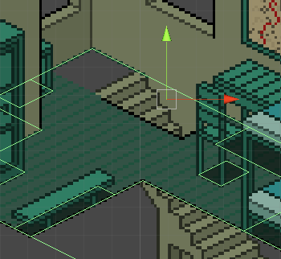
Room | Spritesheet Completed | Footprints Completed | Shadowsheet Completed | Added to world | Floor Collider Completed | Object Collider Completed | Doorways completed | View other rooms | Chairs/Tables/Inventory | Lighting Effects | Bugs and Iniformation
Inn Floor 1 Room 1 | Y | Y | Y | Y | Y | Y | Y
Inn Floor 1 Room 2 | Y | Y | Y | Y | Y | Y | Y
Inn Floor 2 Hall | Y | Y | Y | Y | Y | Y | Y
Inn Floor 2 Room 1 | Y | Y | Y | Y | Y | Y | Y
Inn Floor 2 Room 2 | Y | Y | Y | Y | Y | Y | Y
Inn Floor 2 Room 3 | Y | Y | Y | Y | Y | Y | Y
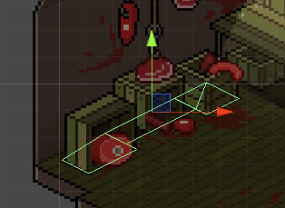
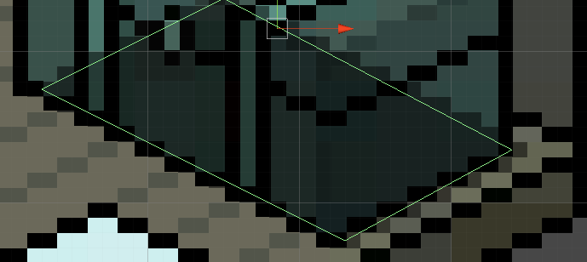
Inn Floor 2 Room 4 | Y | Y | Y | Y | Y | Y | Y
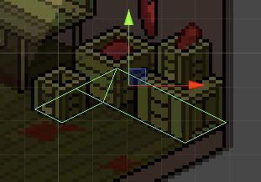
Inn Floor 2 Balcony | Y | Y | Y | Y | Y | Y | Y
Overworld | Y | Y | N/A | Y | N/A | N/A
Bakery Floor 2 Room 1 | Y | Y | Y | Y | Y | Y | Y |  |  |  | Ladder needs footprint
Bakery Floor 1 Room 3 | Y | Y | Y | Y | Y | Y | Y |  |  |  | Door needs footprint, split up boxes or make one collier for all
Bakery Floor 1 Room 2 | Y | Y | Y | Y | Y | Y | Y |  |  |  | Ladder missing rightmost pixel
Bakery Floor 1 Room 1 | Y | Y | Y | Y | Y | Y | Y
ManorHouse 1 Floor 2 Room 1 | Y | Y | Y | Y | Y | Y | Y |  |  |  | Seat missing rightmost pixel, Chest missing rightmost pixel
Manorhouse 1 Floor 1 Room 1 | Y | Y | Y | Y | Y | Y | Y |  |  |  | Missing rightmost pixel for most objects
ManorHouse 2 Floor 1 Room 1 | Y | Y | Y | Y | Y | Y | Y |  |  |  | Please add 1 more pixel to the container and empty pot (invisible for alignment) and stairs. Need Complete table and wall component block as a separate object, stairs needs an even number of pixels wide, Footprint missing for container
ManorHouse 2 Floor 2 Room 1 | Y | Y | Y | Y | Y | Y | Y
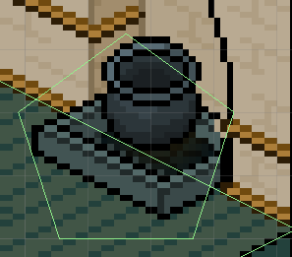
Shack Floor 1 Room 1 | Y | Y | Y | Y | Y | Y | Y
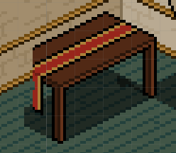
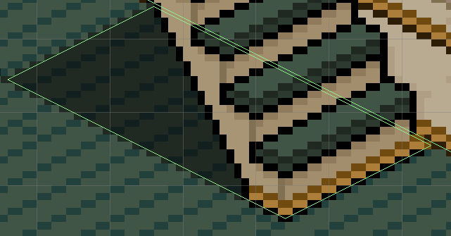
Vineyard Foor 1 Room 1 | Y | Y | Y | Y | Y | Y | Y |  |  |  | Need Front and Middle Door and respective collider sprites
Vineyard Foor 1 Room 2 | Y | Y | Y | Y | Y | Y | Y |  |  |  | Need collider for cellar and cellar door
Vineyard Floor 1 Room 3 | Y | Y | Y | Y | Y | Y | Y |  |  |  | Rightmost pixel for shadow missing from chairs
Vineyard Floor 2 Room 1 | Y | Y | Y | Y | Y | Y | Y |  |  |  | Need collider for cellar and cellar door (Same as above)
Customs House Floor 1 Room 1 | Y | Y | Y | Y | Y | Y | Y
Customs House Floor 2 Room 1 | Y | Y | Y | Y | Y | Y | Y
Church Floor 1 Room 1 | Y | Y | Y | Y | Y | Y | Y | Y
Church Floor 1 Room 2 | Y | Y | Y | Y | Y | Y | Y | Y
GuardHouse Floor 1 Room 1 | Y | Y | Y | Y | Y | Y | Y
GuardHouse Floor 2 Room 1 | Y | Y | Y | Y | Y | Y | Y
Blacksmith Floor 1 Room 1 | Y | Y | Y | Y | Y | Y | Y
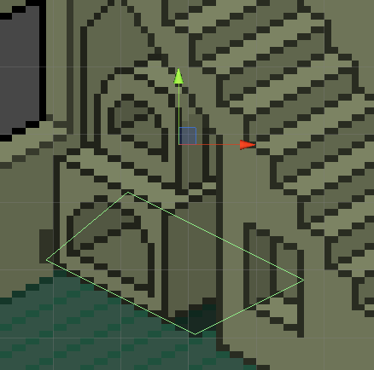
Blacksmith Floor 1 Room 2 | Y | Y | Y | Y | Y | Y | Y
Blacksmith Floor 2 Room 1 | Y | Y | Y | Y | Y | Y | Y
ManorHouse 3 Floor 1 Room 1 | Y | Y | Y | Y | Y | Y | Y |  |  |  | Oven footprint too big
ManorHouse 3 Floor 2 Room 1 | Y | Y | Y | Y | Y | Y | Y |  |  |  | Missing spot on stairs

Overworld Objects
Objects | Sprites Created | Shadow Added | Collision Body Created | Doors Created | Exterior Objects Created
Docks | Y | Y | Y
Bakery Exterior | Y | Y | Y
ManorHouse 1 Exterior | Y | Y | Y
ManorHouse 2 Exterior | Y | Y | Y
ManorHouse 3 Exterior | Y | Missing Frontal Sprite | Y
Shack Exterior | Y | Y | Y
Vineyard Exterior | Y | Needs sprite covering floor | Y
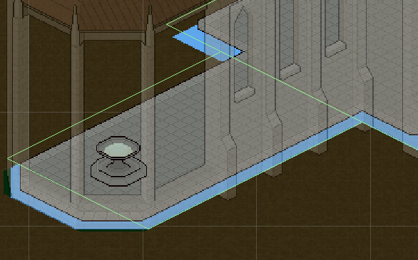
Customs House Exterior | Y | Y | Test Sorting
Church Exterior | Y | Y | Y |  |  | 1
Guardhouse Exterior | Y | Y | Y
Inn Exterior | Y | Shadow needs to include back portion | Y
Church Exterior | Y | Think backside part of shadow is incorrect (Fig 1) | Y
Blacksmith Exterior | Y | Y | Y

